sell call 1
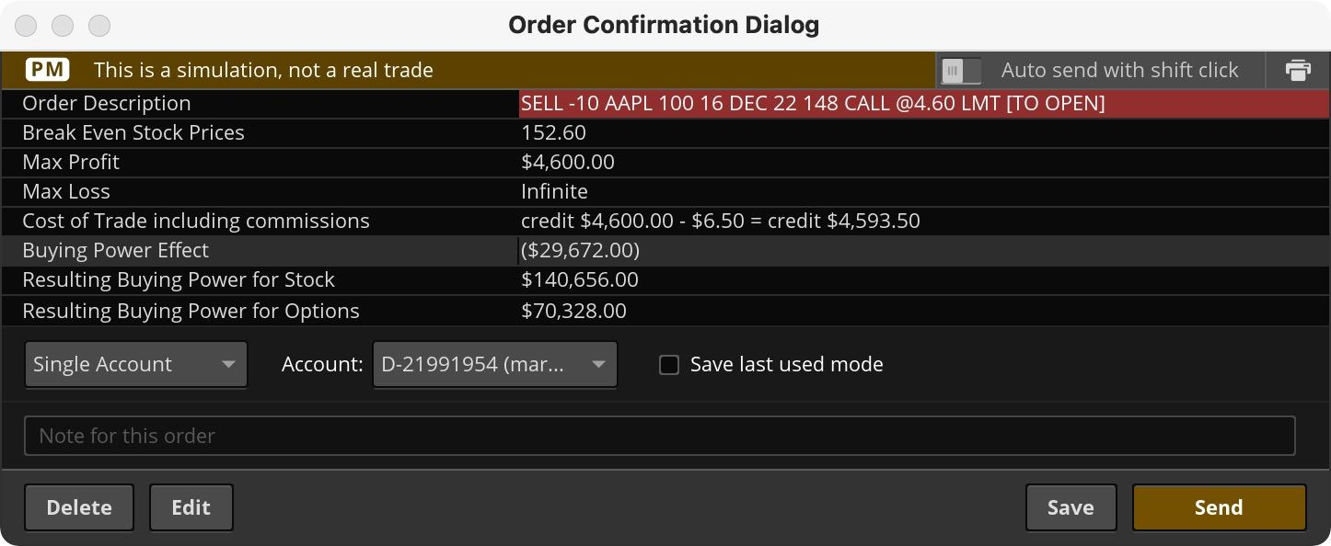
Early Close
 | timestamp | instrument_id | qty | order_type | order_price | commission | buying power effect
Order | 20220104 1600 | 1 | -10 | LMT | 25.825 | ?
 | 20220201 1600 | 1 | 10 | LMT | 20.025

 | timestamp | instrument_id | bid | ask | mid | delta | IV | gamma | theta | vega
Market | 20220104 1600 | 1 | 25.65 | 26 | 25.825 | 0.89 | 35.5 | 0.01 | -0.05 | 0.12
 | 20220201 1600 | 1 | 19.55 | 20.5 | 20.025 | 0.92 | 40.61 | 0.01 | -0.06 | 0.06

 | instrument_id | ticker | maturity | strike | option_type
Instrument | 1 | AAPL | 20220218 | 155 | C

 | trade_id | timestamp | instrument_id | qty | price | reason
Trade | 1 | 20220104 1600 | 1 | -10 | 25.825 | OrderFill
 | 2 | 20220201 1600 | 1 | 10 | 20.025 | OrderFill

 | position_id | replace_position_id | instrument_id | qty | startdate | enddate |  | pnl
Position | 1 | null | 1 | -10 | 20220104 1600 | null |  | 5800
 |  |  |  |  |  | 20220201 1600

